Sheet1
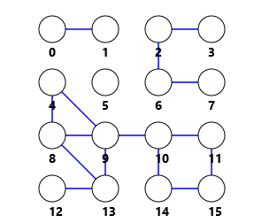
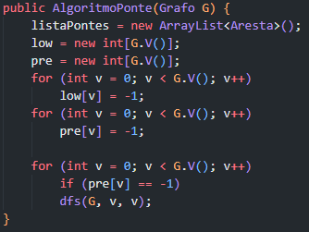
 |  | V | Pre[] | Low[] | Fila (Início)
 |  | 0 | 0 | 0 | dfs(G, 5, 5)
 |  | 1 | 1 | 1 | dfs(G, 15, 11)
 |  | 2 | 2 | 2 | dfs(G, 14, 15)
 |  | 3 | 5 | 5 | dfs(G, 10, 14)
 |  | 4 | 6 | 6 | dfs(G, 9, 10)
 |  | 5 | 15 | 15 | dfs(G, 13, 8)
 |  | 6 | 3 | 3 | dfs(G, 13, 12)
 |  | 7 | 4 | 4 | dfs(G, 9, 13)
 |  | 8 | 10 | 6 | dfs(G, 4, 9)
 |  | 9 | 7 | 6 | dfs(G, 4, 4)
 |  | 10 | 11 | 11 | dfs(G, 2, 3)
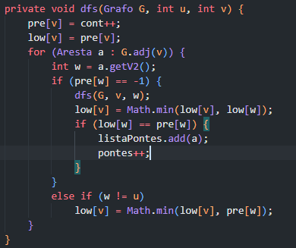
adj[] |  | 11 | 14 | 11 | dfs(G, 6, 7)
1 | 0 | 12 | 9 | 9 | dfs(G, 2, 6)
0 | 1 | 13 | 8 | 6 | dfs(G, 2, 2)
3 | 2 | 14 | 12 | 11 | dfs(G, 0, 1)
7 | 6 | 15 | 13 | 11 | dfs(G, 0, 0)
12 | 13
13 | 12 9 8 |  |  |  | ListaPontes
9 | 13 10 8 4 |  |  |  | 0 | 1
8 | 13 9 4 |  |  |  | 6 | 7
15 | 14 11 |  |  |  | 2 | 6
10 | 14 11 9 |  |  |  | 2 | 3
11 | 15 10 |  |  |  | 13 | 12
14 | 15 10 |  |  |  | 9 | 10
2 | 6 3
6 | 7 2
4 | 9 8
5

